Week 1
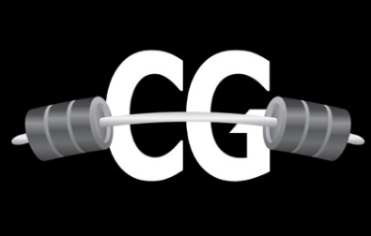
 | August 2026 Training Program 2-Day Routine

Week 1
Perform exercises with the same number assigned as a superset. Ex: Exercises 3A and 3B should be performed back-to-back, before taking a rest period.

Day 1: | Sets/Reps | Rest Period | Muscle Group | Notes:
WARM UP | Upper Body Resistance Band Warm Up Shoulder Mobility Routine |  | Choose exercises from these routines that help your body get warm and loose for the workout. You don't have to perform every exercise in the warm-up routines. If you need help selecting what to do, let me know.

1A: Bench Press (Dumbbell or Barbell) | 3 x 8-10 | 60 seconds | Chest
1B: Incline Dumbbell Row | 3 x 8-10 |  | Back - Row
2A: Incline Dumbbell Bench Press | 3 x 10-12 | 60 seconds | Chest
2B: Dumbbell Pullover | 3 x 10-12 |  | Back - Pulldown
3A: Leaning Dumbbell Lateral Raise | 3 x 12-15 (each side) | 60 seconds | Shoulders - Side Delt
3B: Dumbbell T Raise | 3 x 12-15 |  | Shoulders - Rear Delt

Day 2: | Sets/Reps | Rest Period | Muscle Group | Client Notes:
WARM UP | Lower Body Stretching Routine Lower Body Mobility Routine |  | Choose exercises from these routines that help your body get warm and loose for the workout. You don't have to perform every exercise in the warm-up routines. If you need help selecting what to do, let me know.

1: Dumbbell Goblet Squat | 3 x 8-10 | 60 seconds | Quads
2A: Romanian Deadlift | 3 x 8-10 | 60 seconds | Hamstrings
2B: Walking Lunges | 3 x 8-10 (each side) |  | Quads
3A: Russian Twist | 3 x 12-15 (each side) | 60 seconds | Abs
3B: Dumbbell Crunch | 3 x 12-15 (each side) |  | Abs

Day of the Week: | Step Count (Goal 10k minimum per day):
Monday:
Tuesday:
Wednesday:
Thursday:
Friday:
Saturday:
Sunday:
TOTAL: | #DIV/0!

DISCLAIMER: Chris Gates is not a doctor or registered dietitian. The contents of your program and communication with Chris Gates should not be taken as medical advice. It is not intended to diagnose, treat, cure, or prevent any health problem, nor is it intended to replace the advice of a physician. Always consult your physician or qualified health professional on any matters regarding your health. All documents included or exchanged between Chris Gates and the Client are the intellectual property of Chris Gates Fitness and are not to be copied, sold, or redistributed without written consent.

