FREE Calorie Calculator
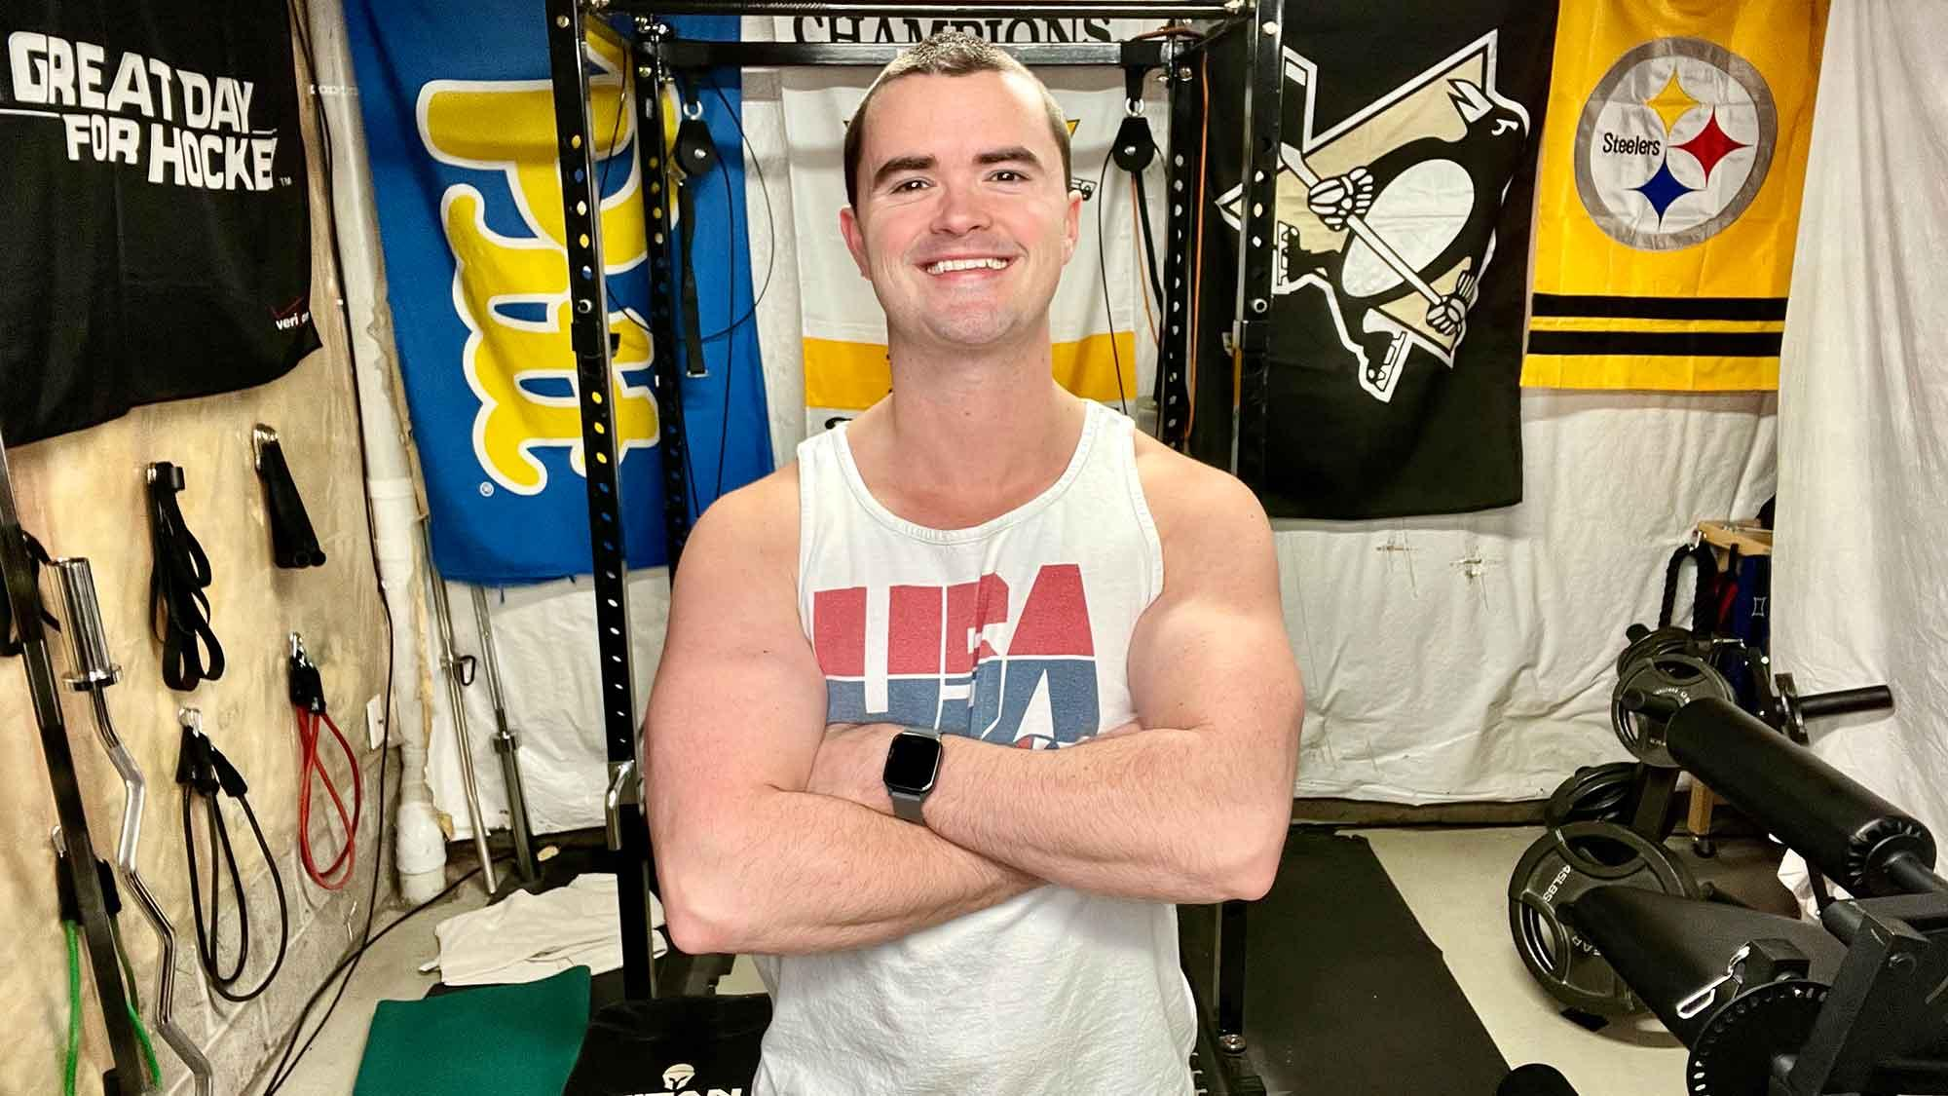

 |  | Chris Gates Fitness Calorie Calculators

Thanks for downloading my FREE calorie calculator! If you'd like personalized support to reach your fitness goals, check out my website to learn more about 1-on-1 online fitness coaching. Just click on this text box to visit my website.

Start Here:
(Your height in inches, multiplied by 2.54.)
NOTE: If your goal is to lose weight, enter your information in the yellow fields to the left. Your starting calories and macros will appear in the green cells.
Enter your height in centimeters | 188
(Your weight in pounds, divided by 2.2.)
(If you don't know, make an educated guess.)
Enter your weight in kilograms | 63.5
 |  |  | Total Calories
Body Fat % | 10% |  | 1733
(On a range: 1.1 being inactive to 1.5 being extremely active.)
Activity Level | 1.2 |  | Total Protein Grams
 |  |  | 188

 |  |  | Total Fat Grams
BMR | 1604.44 |  | 58
Maintenance Cals: | 1925.328
 |  |  | Total Carbohydrate Grams
 |  |  | 115

Click here to learn more about how to use the calorie calculator. I have a full video tutorial on my YouTube channel.

NOTE: If your goal is body recomposition, enter your information in the yellow fields to the left. Your starting calories and macros will appear in the green cells.

 |  |  | Total Calories
 |  |  | 1925

 |  |  | Total Protein Grams
 |  |  | 188

 |  |  | Total Fat Grams
 |  |  | 64

 |  |  | Total Carbohydrate Grams
 |  |  | 154

NOTE: If your goal is to build muscle, enter your information in the yellow fields to the left. Your starting calories and macros will appear in the green cells.

 |  |  | Total Calories
 |  |  | 2118

 |  |  | Total Protein Grams
 |  |  | 188

 |  |  | Total Fat Grams
 |  |  | 71

 |  |  | Total Carbohydrate Grams
 |  |  | 182

